Sheet1
6200 Pulse-MMU Meter Configuration (Use One Spreadsheet for Each MMU)

Model |  | Voltage/Current | Meter Voltage Options
Enclosure size |  |  | 1P 2W 120V, 277V, 320V
SLOT | 1 |  | 3P, 3 or 4W 208V
 | 2 |  | 3P 3 or 4W, 480V
 | 3 |  | 3P 3 or 4W, 400V
 | 4 |  | BLANK Must be ordered for unused spaces
 | 5 |  | Current Options
 | 6 |  | 25, 50, 100, 200, 400, 800, 1,600, 3,200 & 5,000
 | 7
 | 8
 | 9
 | 10 |  | Type 4 Enclosure Outdoor Rated
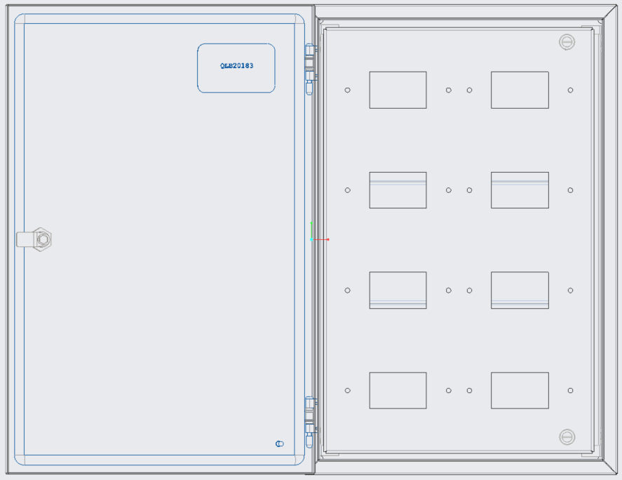
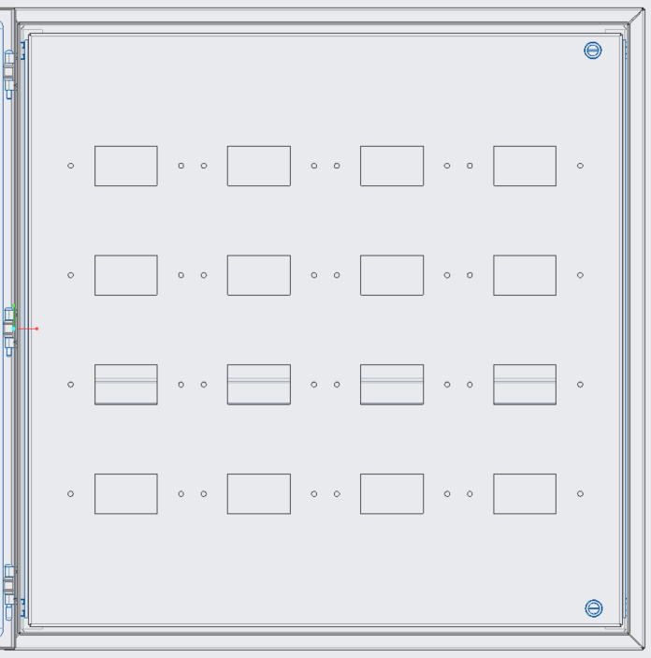
#1
#2
#4
#3
#6
#5
#8
#7
MMU-08
#1
#2
#6
#5
#10
#9
#14
#13
#3
#4
#8
#7
#12
#11
#16
#15
MMU-16
 | 11
 | 12
 | 13
 | 14
 | 15
 | 16
 | 17
 | 18
 | 19
 | 20
 | 21
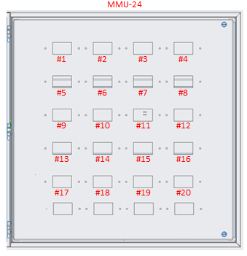
 | 22
 | 23
 | 24

#21
Customer Name
Job Name
Layout Number
Order Number

